Table 1

Selected Acquisition Report (SAR)
RCS: DD-A&T(Q&A)823-582
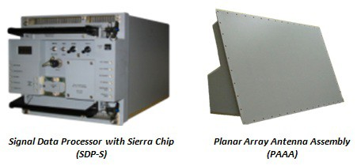
Cooperative Engagement Capability (CEC)
As of FY 2017 President's Budget
Defense Acquisition Management Information Retrieval
(DAMIR)

Table 34
Unit Cost History
Item |  |  |  |  |  |  |  | Date |  |  |  | BY 2002 $M |  |  |  |  |  |  | TY $M
 |  |  |  |  |  |  |  |  |  |  |  | PAUC |  | APUC |  |  |  |  | PAUC |  |  |  | APUC

Original APB |  |  |  |  | Jul 1995 |  |  |  |  |  |  | 13.326 |  |  |  | 7.257 |  |  |  | 14.061 |  |  |  | 8.222
APB as of January 2006 |  |  |  |  | Jun 2004 |  |  |  |  |  |  | 16.010 |  |  |  | 8.184 |  |  |  | 16.814 |  |  |  | 9.235
Revised Original APB |  |  |  |  | N/A |  |  |  |  |  |  | N/A |  |  |  | N/A |  |  |  | N/A |  |  |  | N/A
Prior APB |  |  |  |  | Apr 2002 |  |  |  |  |  |  | 15.159 |  |  |  | 8.184 |  |  |  | 15.848 |  |  |  | 9.235
Current APB |  |  |  |  | Jun 2004 |  |  |  |  |  |  | 16.010 |  |  |  | 8.184 |  |  |  | 16.814 |  |  |  | 9.235
Prior Annual SAR |  |  |  |  | Dec 2014 |  |  |  |  |  |  | 16.902 |  |  |  | 6.725 |  |  |  | 18.541 |  |  |  | 7.943
Current Estimate |  |  |  |  | Dec 2015 |  |  |  |  |  |  | 16.740 |  |  |  | 6.923 |  |  |  | 18.725 |  |  |  | 8.411
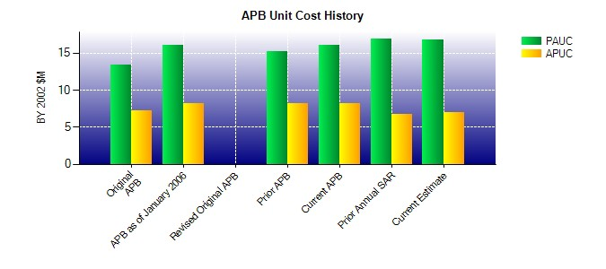
SAR Unit Cost History
Initial SAR Baseline to Current SAR Baseline (TY $M)
Initial PAUC Development Estimate | Changes |  |  |  |  |  |  |  |  |  |  |  |  |  |  |  |  |  |  |  |  | PAUC Production Estimate
 | Econ |  | Qty |  |  | Sch |  |  | Eng |  | Est |  | Oth |  | Spt |  |  | Total
14.060 -0.656 -2.840 0.590 0.420 5.010 0.000 -0.736 1.788 15.848
Current SAR Baseline to Current Estimate (TY $M)
PAUC Production Estimate |  | Changes |  |  |  |  |  |  |  |  |  |  |  |  |  |  |  |  |  |  | PAUC Current Estimate
 |  | Econ |  | Qty |  |  | Sch |  |  | Eng | Est |  | Oth | Spt |  |  | Total
15.848 0.252 -0.838 2.089 1.059 0.229 0.000 0.086 2.877 18.725

